Crocs
Photo | SKU | Description | Colour Description | WHS | RRP | EU 36-37 | EU 37-38 | EU 38-39 | EU 39-40 | EU 41-42 | EU 42-43 | EU 43-44 | TTL QTY
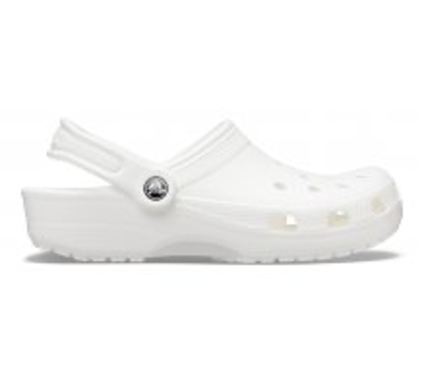 | 10001-100 | Classic | White | 20.26 € | 49.90 € | 350 | 350 | 350 | 350 | 350 | 350 | 350 | 2,450
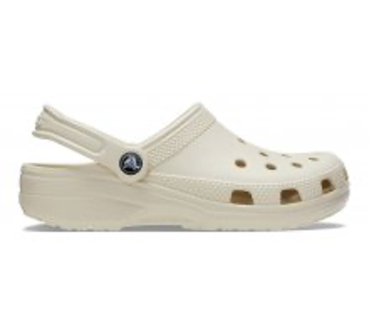 | 10001-2Y2 | Classic | Bone | 20.26 € | 49.90 € | 350 | 350 | 350 | 350 | 350 | 350 | 350 | 2,450
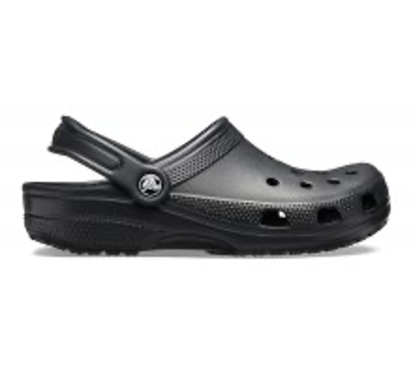 | 10001-001 | Classic | Black | 20.26 € | 49.90 € | 350 | 350 | 350 | 350 | 350 | 350 | 350 | 2,450
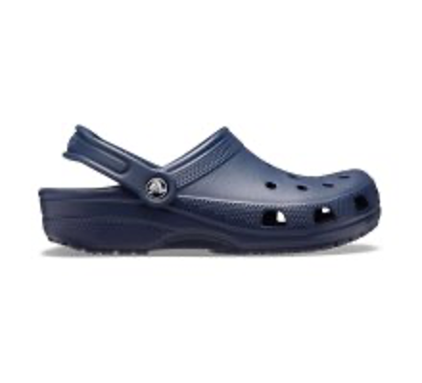 | 10001-410 | Classic | Navy | 20.26 € | 49.90 € | 350 | 350 | 350 | 350 | 350 | 350 | 350 | 2,450
 | 10001-260 | Classic | Khaki | 20.26 € | 49.90 € | 350 | 350 | 350 | 350 | 350 | 350 | 350 | 2,450
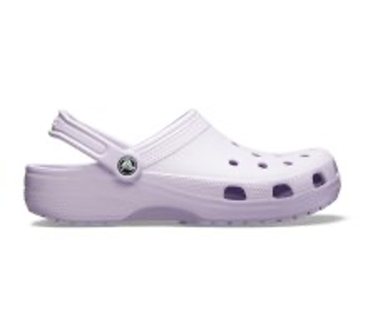 | 10001-530 | Classic | Dark Violet Mauve | 20.26 € | 49.90 € | 350 | 350 | 350 | 350 | 350 | 350 | 350 | 2,450
 | 10001-6PI | Classic | Nude Pink Rose | 20.26 € | 49.90 € | 350 | 350 | 350 | 350 | 350 | 350 | 350 | 2,450
 | 10001-6I2 | Classic | Carnation Rose | 20.26 € | 49.90 € | 350 | 350 | 350 | 350 | 350 | 350 | 350 | 2,450
 |  |  |  |  |  |  |  |  |  |  |  |  | 19,600

